special prizes的解释
special prizes | description | link | picture
Best Model | Mathematical models and computer simulations provide a great way to describe the functioning and operation of BioBrick Parts and Devices. Synthetic Biology is an engineering discipline and part of engineering is simulation and modeling to determine system behavior before building your design. Designing and simulating can be iterated many times in a computer before moving to the lab. This award is for teams who build a model of their system and use it to inform system design or simulate expected behavior before or in conjunction with experiments in the wetlab. | 2017.igem.org/Judging/Awards | None
Best New Basic Part | Most genetically-encoded functions have not yet been converted to BioBrick parts. Thus, there are *many* opportunities to find new, cool, and important genetically encoded functions, and refine and convert the DNA encoding these functions into BioBrick standard biological parts. To be eligible for this award, this part must adhere to Registry sample submission guidelines and have been sent to the Registry of Standard Biological Parts. | 2017.igem.org/Judging/Awards | None

Best New Composite Part | New BioBrick devices can be made by combining existing BioBrick Parts. For example, Inverters, Amplifiers, Smell Generators, Protein Balloon Generators, Senders, Receivers, Actuators, and so on. To be eligible for this award, this part must adhere to Registry sample submission guidelines and have been sent to the Registry of Standard Biological Parts. | 2017.igem.org/Judging/Awards | None
Best Part Collection | Did your team make a lot of great parts? Is there a team that ties all your parts together? Do you have more than 10 parts in this collection? Did you make a CRISPR collection, a MoClo collection or a collection of awesome pigment parts? Tell the judges you should be evaluated for the Best Parts Collection award! To be eligible for this award, these parts must adhere to Registry sample submission guidelines and have been sent to the Registry of Standard Biological Parts. | 2017.igem.org/Judging/Awards | None
Best Wiki | The team Wiki is the “face” of your iGEM project. The team Wikis serve as the main project information resource for future iGEM students and teams, as well as the rest of the world. This award honors the “model” Wiki page, which exemplifies what the following year’s Wikis should strive for. | 2017.igem.org/Judging/Awards | None
Best Poster | Presentations should be clear, engaging, and communicate your project to a broad audience. | 2017.igem.org/Judging/Awards | None
Best Presentation | Presentations should be clear, engaging, and communicate your project to a broad audience. | 2017.igem.org/Judging/Awards | None

special prizes的网络分析
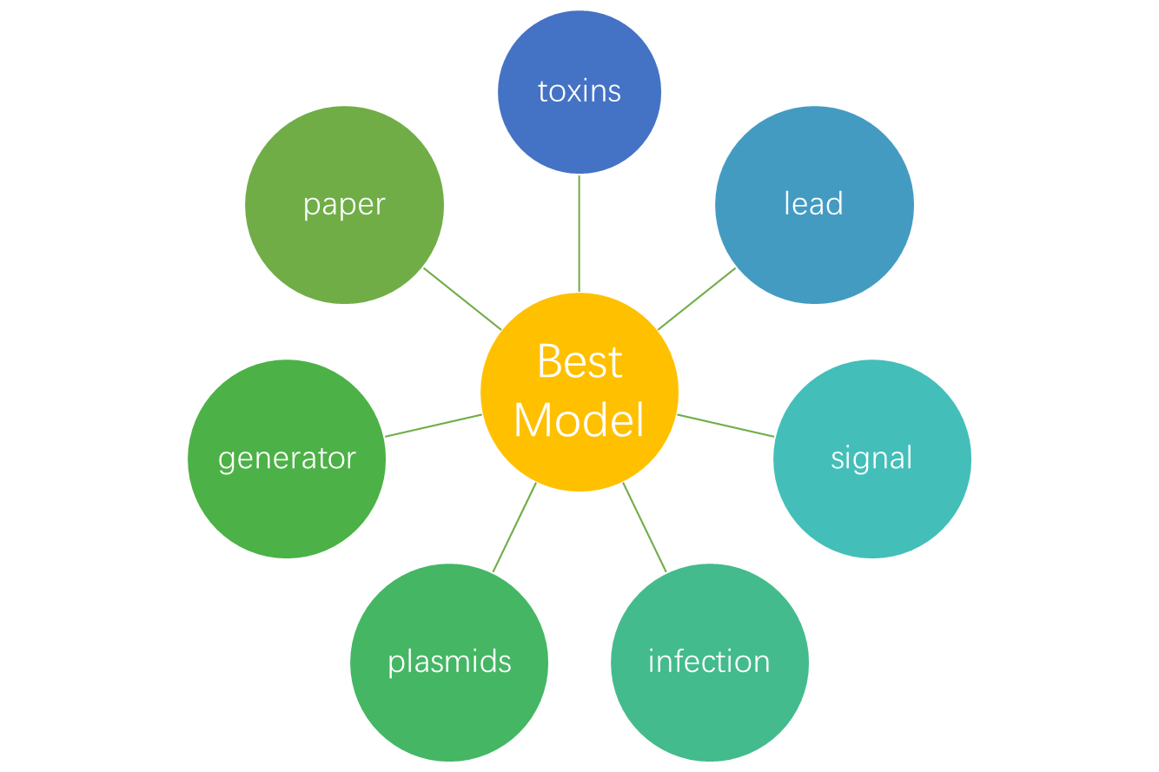
special prizes
Best Model | [[32.015654349, "toxins"], [29.278210116000004, "lead"], [26.169021024, "light signal"], [25.372284643999997, "infection"], [23.656765677000006, "plasmids"], [23.482167349999997, "generator"], [22.19113814, "paper"], [21.988660405000005, "plasmid"], [21.481932604, "antibiotic"], [21.476981132000002, "quorum sensing"], [20.911616159, "food crops"], [20.44852941, "oscillator"], [20.202020201999996, "sensors"], [19.255936671999997, "bioreactor"], [18.208955219000003, "antibiotic resistance"], [18.051282052999998, "Tet"], [17.72623574, "suicide gene"], [16.191729324, "nickel"], [15.996306553, "drugs"], [14.449339203, "Amplifier"], [14.255220417, "biosensor"], [14.242806662999998, "Escherichia coli"], [14.043478263, "phosphate"], [14.024193544000001, "glycine"], [13.987082885, "temperature"], [13.905367232, "E-coli"], [13.777777775999999, "pesticides"], [13.05050505, "toxicity"], [12.509433963000001, "pests"], [12.462196861999999, "biotechnology"], [12.32698962, "diseases"], [12.24227129, "biofilm"], [12.23111111, "liver"], [11.629629629999998, "food"], [11.242307691999999, "toggle switch"], [11.065101389, "signal peptide"], [11.04680851, "ROS"], [11.038961040000002, "genetic circuit"], [10.909847433, "CRISPR-Cas9"], [10.5974026, "ordinary differential equations"], [10.529188420999999, "amino acid"], [10.474145486000001, "IPTG"], [10.435545163, "gel"], [10.174816626000002, "stress"]]
Best New Basic Part | [[26.536295372, "chimeric protein"], [26.521739132, "fusion protein"], [18.262645914, "lead"], [16.577464787, "plastics"], [14.96611642, "paper"], [14.685133884, "drugs"], [13.960199, "antibiotic resistance"], [13.201291711, "temperature"], [13.06942753, "antibiotic"], [12.897382198999999, "cancer treatment"], [12.897382198999999, "cancer"], [12.686349021, "gel"], [12.51235955, "infection"], [12.364485981000001, "hydrogels"], [12.24227129, "biofilm"], [10.529188420999999, "amino acid"], [10.044174489000001, "PCR"], [10.008631632, "plasmids"], [10.008631632, "plasmid"], [9.835645677999999, "signal peptide"], [9.800464037, "biosensor"], [9.734042554, "gRNA"], [9.672352942000002, "antibodies"], [8.617021277, "mammalian cell"], [8.038834953, "CRISPR-Cas9"], [8.0, "smartphone"], [7.399429387, "biotechnology"], [7.142857143, "cell membrane"], [6.972660357, "operon"], [6.868686868999999, "sensors"], [6.736616702, "membrane proteins"], [6.501128668, "flow cytometry"], [6.474003028, "Escherichia coli"], [6.356540083999999, "pBAD promoter"], [6.320621469000001, "E-coli"], [6.253246754, "bioengineering"], [6.1411764699999996, "lactic acid"], [6.1004784690000005, "mCherry"], [6.092584655, "RFP"]]
Best New Composite Part | [[43.58385482399999, "chimeric protein"], [43.559947298000004, "fusion protein"], [34.260495159, "temperature"], [33.202883628, "pSB1C3"], [32.831344669, "plasmids"], [32.528052801, "plasmid"], [27.276826802, "PCR"], [23.84697987, "restriction enzyme"], [19.781818182, "T7 promoter"], [18.925925921999998, "generator"], [18.39818631, "peptidase"], [17.805235603, "cancer treatment"], [17.805235603, "cancer"], [17.64583333, "stomach"], [17.015418502, "PstI"], [16.96551724, "lac operon"], [16.783010154, "drugs"], [16.565294118, "antibodies"], [16.233463034, "lead"], [15.802816899000002, "plastics"], [15.53956835, "alcohol"], [15.389473683, "luciferase"], [14.45004344, "paper"], [14.347826089, "lac"], [12.847406772, "RFP"], [12.102564102, "Tet"], [11.72864322, "dCas9"], [10.837092732999999, "nucleic acid"], [10.44444444, "glutamate"], [10.30188679, "hybrid system"], [10.29669157, "signal peptide"], [9.886567164, "reporter gene"], [9.880410858, "LacI"], [9.800464037, "biosensor"], [9.798715204, "membrane proteins"], [9.587020649, "TEV protease"]]
Best Part Collection | [[24.943708614, "digestion"], [18.224965701999995, "generator"], [18.118903004, "PCR"], [15.979057591999998, "cancer treatment"], [15.979057591999998, "cancer"], [14.313516901000002, "chimeric protein"], [13.823451908, "fusion protein"], [13.206657421, "CRISPR-Cas9"], [12.301507542, "dCas9"], [11.949473683, "luciferase"], [11.827302628, "biosafety"], [11.769230765, "ligation"], [10.837092732999999, "nucleic acid"], [9.900968784, "temperature"], [9.566147859, "lead"], [8.94736842, "Receivers"], [8.936170213, "mammalian cell"], [8.469945355, "biosynthesis"], [8.452830189, "pheromones"], [8.443843031, "cellulose"], [8.34052636, "plasmids"], [8.34052636, "plasmid"], [8.127753301, "Amplifier"], [7.623529411, "lactic acid"], [7.512953368, "sgRNA"], [7.115384615, "toggle switch"], [6.904436860000001, "chromatography"], [6.818097876, "drugs"], [6.634020618000001, "Inverters"], [6.462765958, "gRNA"], [6.167420815, "gastrointestinal tract"], [6.164383562, "inflammation"], [5.532786885, "AHL"], [5.414141415, "apoptosis"], [5.397196262, "hydrogels"], [5.298113207, "pests"], [5.134377576, "peptidase"], [5.1154633149999995, "gel"]]
Best Wiki | [[56.817120622, "lead"], [52.446906737999996, "drugs"], [44.41121495, "soil"], [41.534082395, "infection"], [33.610052565000004, "light signal"], [33.441452721, "toxins"], [32.679698736999995, "plasmids"], [32.679698736999995, "plasmid"], [31.564625851000002, "chassis"], [29.552238805, "ATP"], [29.05287474, "measurement"], [27.572243699, "PCR"], [26.531986531999998, "sensors"], [25.237515228, "antibiotic"], [24.759002769, "pathogens"], [24.681176473, "antibodies"], [24.653979238999998, "diseases"], [24.05363985, "Arabidopsis"], [23.558897244, "nucleic acid"], [23.368159198999997, "antibiotic resistance"], [23.276102088000002, "biosensor"], [21.666666667, "Bacillus"], [21.249999998, "yeast"], [21.249999998, "budding yeast"], [20.984463274, "E-coli"], [20.716809694, "Escherichia coli"], [20.29944547, "holin"], [19.902061856, "Inverters"], [19.795114263000002, "food"], [19.511671929, "polymerase"], [19.35273675, "paper"], [19.344705883, "nucleotides"], [19.039577833, "bioreactor"], [18.224965703, "generator"], [17.72623574, "suicide gene"], [17.047559454, "chimeric protein"], [16.682242996, "hydrogels"], [16.53179191, "chemotaxis"], [16.460471568, "CRISPR-Cas9"], [16.221948208, "virus"], [16.191729324, "nickel"], [16.164864077, "gel"], [15.479999998, "luciferase"], [15.454545454000002, "toxicity"], [15.270092223999999, "fusion protein"]]
Best Poster | [[49.96733519599999, "plasmids"], [49.96733519599999, "plasmid"], [48.99027237399999, "lead"], [44.32936756, "toxins"], [29.552238805, "ATP"], [26.469230774999996, "toggle switch"], [25.485882353999997, "nucleotides"], [25.364285714, "fruit"], [25.044715449999998, "pigments"], [24.981015661, "amino acid"], [23.26315789000001, "Receivers"], [22.921925133, "library"], [20.770448544999997, "bioreactor"], [20.588552919, "database"], [20.042553192, "food"], [19.352736750000002, "paper"], [19.318295740000003, "nucleic acid"], [17.893333331999997, "bacteriophage"], [17.858585856, "toxicity"], [17.234554974, "cancer treatment"], [17.234554974, "cancer"], [16.270270271, "\u03bb phage"], [15.406311639, "kill switch"], [15.152681392, "polymerase"], [14.283950618000002, "Bacillus"], [14.141414141999999, "sensors"], [14.038461537, "yeast"], [14.038461537, "budding yeast"], [14.005154638000002, "Inverters"], [13.798701300000001, "genetic circuit"], [13.75862069, "cell growth"], [13.610859731, "ethanol"], [13.526011561, "bacteriophage lambda"], [12.8989842, "energy"], [12.863557859, "oil"], [12.75862069, "amylase"], [12.407843137, "lysis"], [12.062788550999999, "drugs"]]
Best Presentation | [[53.628404667999995, "lead"], [50.059322037, "E-coli"], [49.720343261, "Escherichia coli"], [46.712018142, "medicine"], [38.442244226, "plasmids"], [38.442244226, "plasmid"], [30.353513512, "fuel"], [30.265768728, "light signal"], [29.890636702, "infection"], [29.228952771000003, "measurement"], [28.621809745, "biosensor"], [26.889971583, "antibiotic"], [26.842105259000004, "Receivers"], [26.816608996, "diseases"], [26.586979724000003, "signal peptide"], [24.924855488, "pollutants"], [23.739357079999998, "paper"], [23.434343435, "sensors"], [23.368159198, "antibiotic resistance"], [23.173076922, "yeast"], [23.173076922, "budding yeast"], [22.289935362, "drugs"], [19.043156593000003, "virus"], [18.788823531000002, "antibodies"], [18.575445810999998, "generator"], [18.087520257, "glycerol"], [18.045425864, "biofilm"], [17.198645597, "energy"], [16.054421768999998, "chassis"], [15.988636365, "copper"], [15.68918919, "\u03bb phage"], [15.154559505, "chloramphenicol"], [15.08067729, "antigen"], [14.969696972000001, "fuel cell"], [14.609424083999999, "cancer treatment"], [14.609424083999999, "cancer"], [14.598896769, "food"], [14.285714286000001, "cell membrane"], [13.758620690999999, "environmental contamination"], [13.005780347, "bacteriophage lambda"]]

